Note
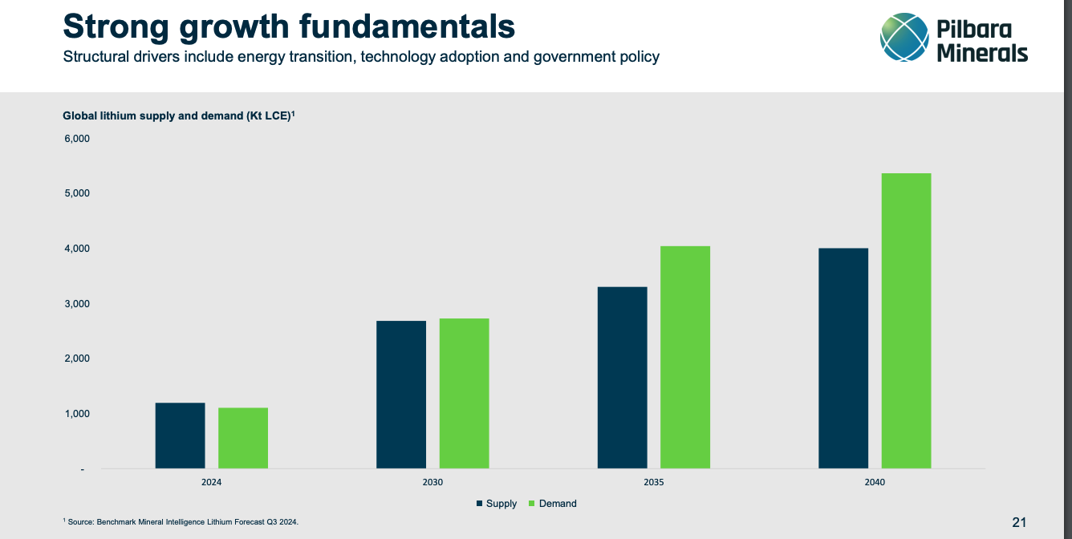

Stating it's a long-term play however life of lithium mine is ~33years only…
lepidolite discoveries in China have reduced the uptake of Lithium.
Although lepidolite is complex to break down into Lithium it may be preferred within China as it allows for self-reliance

